Sheet1
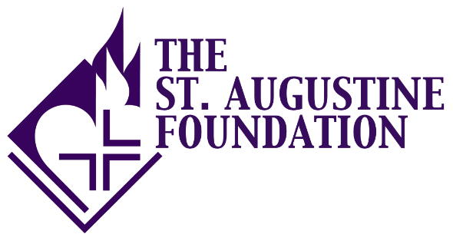
 |  | THE ST. AUGUSTINE FOUNDATION ("SAF")
 |  | PROJECT BUDGET 2015 Grant Application

Organization

Revenue:
 | $ Committed to the Project | $ Pending for the Project | Total $ for the Project
Contributions |  |  | $0
Foundation Support |  |  | 0
Corporate Support |  |  | 0
Government |  |  | 0
United Way |  |  | 0
Fundraising Events |  |  | 0
Program Revenue |  |  | 0
In-Kind Support |  |  | 0
Request from SAF |  |  | 0
Other (specify) |  |  | 0

Total Revenue | $0 | $0 | $0

EXPENSES - Provide sufficient details for each expense category:
Salaries |  |  | $0
Benefits/Taxes |  |  | 0
Total Salary Expenses | $0 | $0 | $0

Consulting/ Professional Fees |  |  | $0
Direct Program Services |  |  | 0
Administrative Support |  |  | 0
Rent |  |  | 0
Utilities |  |  | 0
Fundraising/ Development |  |  | 0
Facilities/Equipment |  |  | 0
Travel |  |  | 0
Other (Specify) |  |  | 0
Total Non-Salary Expenses | $0 | $0 | $0
Total Expenses | $0 | $0 | $0

Net of Revenue | $0 | $0 | $0

